LovoRise Bugs
Bug ID | Description / Summary | Steps to Reproduce | Expected Result | Actual Result | Severity | Priority | Screenshot
Bug-1 | There is no "Remember Me" functionality on the 'sign in' page | 1. Open the "LovoRise" app. 2. Click on "sign in' button. 3. Check for the availability of 'Remember Me' functionality and its check box | There should be the presence of "Remember Me" check box functionality on the sign in page | There is no "Remember Me" check box functionality in the "Sign in" screen | Medium | P2(Medium) | 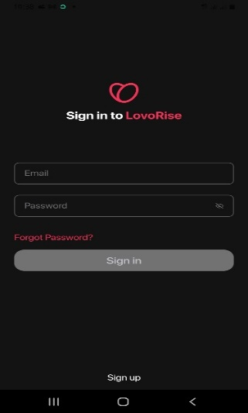
Bug-2 | There is no Verify captcha on the login page to prevent the robot attack. | 1. Open the "LovoRise" app. 2. Click on "sign in' button. 3. Check the sign in page for captcha and its clickable checkbox | 1. User should be taken to 'sign in' page. 2. User should check for the availability of a clickable captcha and its checkbox. | There is no captcha checkbox in the sign in page. | Critical | P0 (Critical) | 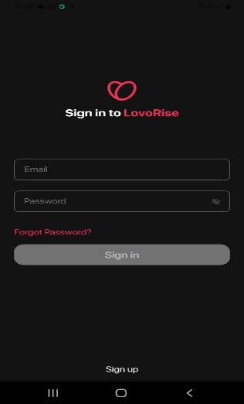
Bug-3 | There is no limit the number of unsuccessful sign in attempts | 1. Open the "LovoRise" app. 2. Click on "sign in' button. 3. Enter a invalid Email address into 'E-mail Address' field. 4.Enter a invalid password into the 'password' field. 5. Click on the "sign in" button. 6. Repeat step 4 and step 5 more times | There should be a Warning message with the text 'Warning: Your account has exceeded allowed nimber of login attempt. Please try again e.g., in 30 minutes.' text should be displayed for the 5th time on clicking the sign in button with the same invalid credentials | There was no limit to invalid credential input into the login fields | High | P1(High)
Bug-4 | User cannot search for other users using basic search criteria. | 1. Open the "LovoRise" app. 2. Click on "sign in' button. 3. Enter a valid Email address into 'E-mail Address' field. 4.Enter a valid password into the 'password' field. 5. Click on the "sign in" button 6. Click on the messaging icon 7. Navigate to the search section. 8. Enter a keyword (e.g., name, location). 9. Click on the search icon | The search results should display users matching the entered keyword. | The search engine on the messaging screen could not filter and bring up matching keywoards | High | P1(High) | 
Bug-5 | User cannot save their search criteria for future use. | 1. Open the "LovoRise" app. 2. Click on "sign in' button. 3. Enter a valid Email address into 'E-mail Address' field. 4.Enter a valid password into the 'password' field. 5. Click on the "sign in" button 6. Click on the messaging icon 7. Navigate to the search section. 8. Enter a keyword (e.g., name, location). 9. Click on the search icon 10. Perform a search with specific criteria. | The search criteria should be saved successfully and should be accessible for future searches. | The search criteria did not have options to save successfully and not accessible for future searches. | Low | P3 (Low)
Bug-6 | There is appropriate error messages displayed when the user enters invalid data in the search fields | 1. Navigate to the search section. 2. Enter invalid data in one or more search fields (e.g., text in a numeric field). 3. Click on the search button. | Appropriate error messages should be displayed, and the search should not proceed. | No error message displayed | Medium | P2 (Medium)
Bug-7 | There is no notifications accompanied by sound and/or vibration in settings. | 1. Open the "LovoRise" app. 2. Click on "sign in' button. 3. Enter a valid Email address into 'E-mail Address' field. 4.Enter a valid password into the 'password' field. 5. Click on the "sign in" button. 6. click on profile icon. Click on 'setting' icon at the top right corner of the screen. 7. Scroll down to Notifications. 8. Check for Notification sound and / or Vibration | The notification should be accompanied by the appropriate sound and/or vibration based on the user’s settings. | No sound and / or vibration notification is included | Medium | P2 (Medium) | 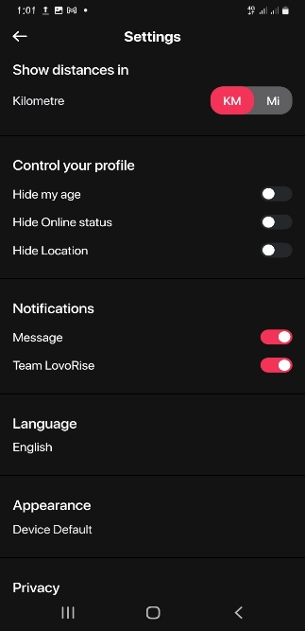
Bug-8 | User attempting to send a message offline is not queued for sending once back online. | 1. Turn off the device's internet connection. 2. Open the LovoRise app and navigate to the messages section. 3. Attempt to send a message to a contact | The app should display a message indicating that the user is offline and that the message will be sent once the device is back online. The message should be queued for sending. | The User is denied access into the features of the messaging page | High | P1 (High) | 